Sheet1
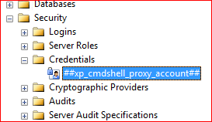
The EXECUTE permission was denied on the object 'xp_cmdshell', database 'mssqlsystemresource', schema 'sys'.

First we create proxy account under which sql service is running
Connect sql server with only server name | Enable server proxy account and add account

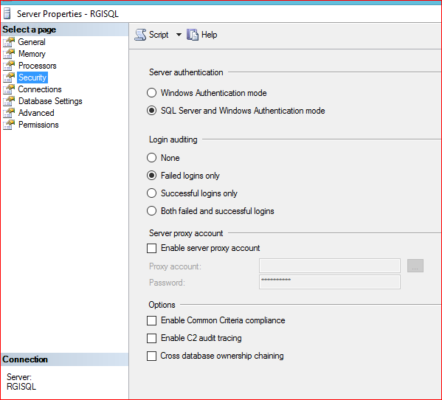
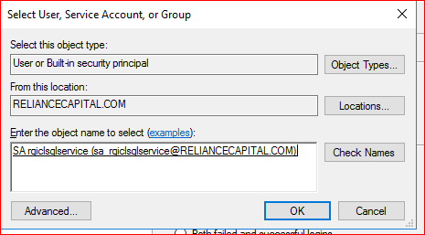

 | you can find recently | GRANT EXECUTE ON [master].[dbo].[xp_cmdshell] to [nonsysadmin_user]
 |  | go

